2024 Calendar
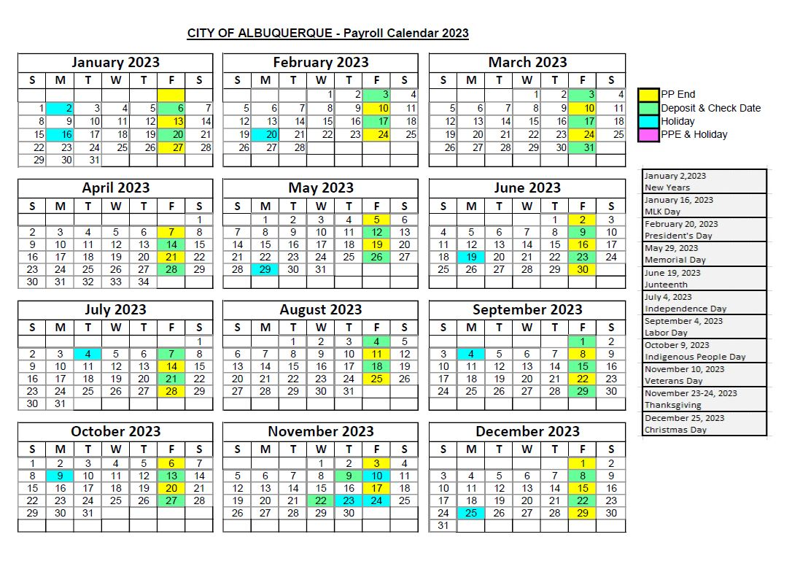
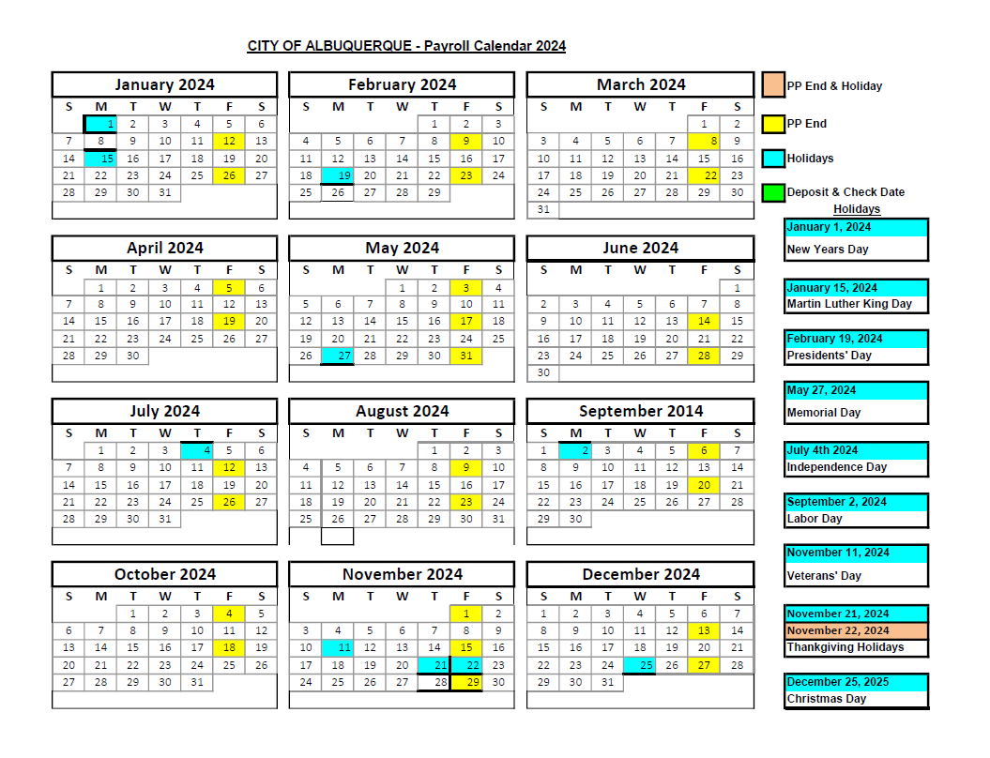

2025 Calendar
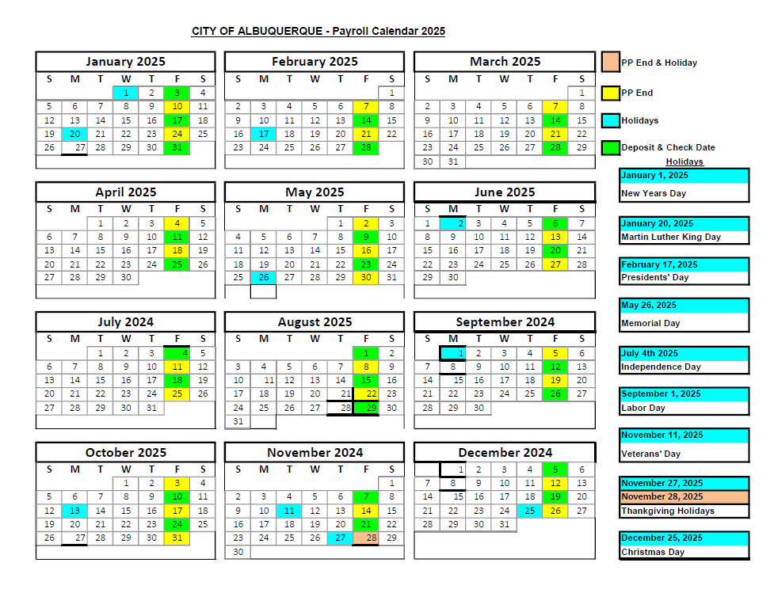

Instructions
Instructions for General Employee Calculator
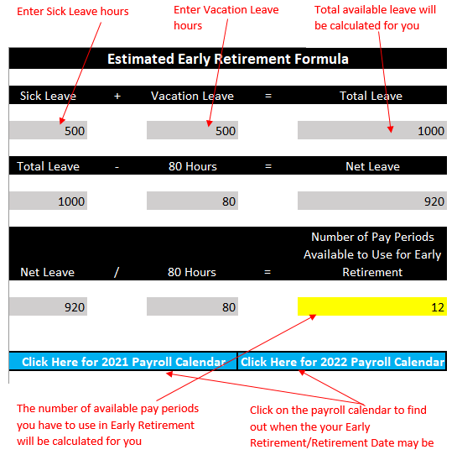

Instruction for Fire Employee Calculator

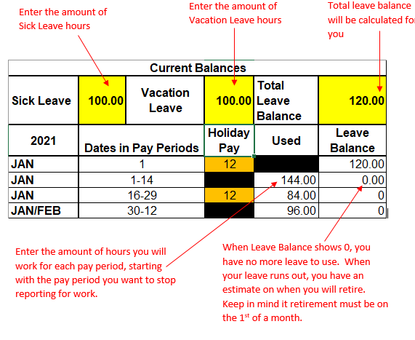

 | Return to Get Started Page

 | Return to General Employee Calculator Page

 | Return to Fire Employee Calculator Page

